Information Sheet BB
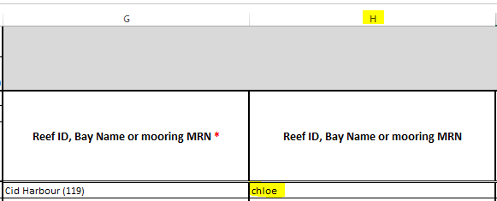
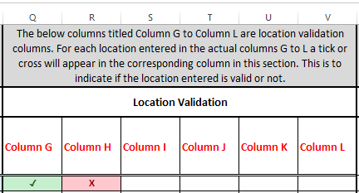
 | Log Book Spreadsheet Information |  |  | https://secure.gbrmpa.gov.au/EMC/
The Authority in conjuction with permit holders have created a vessel log book spreadsheet that can be filled in and imported into EMC Online.
PLEASE NOTE:
* The spreadsheet is designed to accept one (1) operation. Each Bareboat Operation will require a separate spreadsheet.
* Enter Vehicle Names and not VIN, BIN or AIN numbers. Refer to EMC Online - Vehicle favourites. A link to EMC Online is above in columns F,G,H, Row 1.
* When using a VIN, BIN or AIN, the name of the vehicle used should be entered in column B of the Log Book data worksheet for each date a trip is recorded
* Data for the entire quarter (eg. January, February, March) - 1st January to 31 March inclusive is now added to the one tab sequentially. There is no need to do a separate spreadsheet for each month. Previously there were 12 tabs January through December and each month tallied separately. This spreadsheet will tally three months for the quarter in one tab.
* The spreadsheet is designed to allow data entry for both normal operations and transfer operations. Each row can be used to record normal operations trip data.
* The Log Book Data worksheet is protected to limit editing formulas and data validations. Copy, paste and drag do work for most cells.
* Within the Log Book Data worksheet are location fields from column G to column L (to record up to 6 locations for a multi-location trip and to record transfer from and transfer to locations).
* All location fields have a search feature. Start typing the location name or location ID then select the drop down arrow for the search to begin.
* The location search fields are designed as a less is more approach. For example the less information entered the more results that are likely to be returned. Further detail is explained below in (Searching for a location - Hook Island)
* If the details entered match with any of the locations, these locations will appear when the drop down arrow is selected. Once the drop list appears select a location.
* A list of locations is available within this workbook, in the Location List worksheet.
* A list of Common Bareboat Locations is available within this workbook, in the Common Bareboat Locations worksheet.
* Locations can be copied and pasted within the Log Book Data worksheet. Locations can also be copied from the Location List worksheet and pasted in the Log Book Data worksheet.
* The location fields are enabled to use the drag feature. For example add a location in column G then drag down or across 5 rows the location name will be copied via the drag feature. PLEASE NOTE: The location numbers will not increase when using the drag feature in columns G to L.
* Dates can be copied, or if in sequence the drag feature can be used. For Example add 01/01/2020, then drag down 4 cells)the date will change to the next day for each cell selected in the drag.
* The Vessel Name can be copied and pasted.
* The drag feature also works for the Vesssel Name column. PLEASE NOTE: If you have numbers in the Vessel Name the drag feature will change the number by an increase of one for each cell selected. Copy and paste would be the best method to use if numbers are within the Vessel Name.
* If Passenger Numbers are entered in column D a corresponing entry is required in the Day of Trip field in column C.
* A Totals - Passenger Numbers tally field is located on Row 2 in the Log Book Data worksheet.
Data Validation Columns
* Columns M to P are various validation columns. The cells in these columns cannot be edited and are locked cells. These data validation columns are set up to be activated once a date has been entered.
* Columns Q to V are location validation columns. For each location column there is a corresponding validation column to ensure a location from within the location list has been selected. If a valid location is selected a Tick (✓) will appear in the corresponding validation column. If the location was not entered correctly or is not an Authority location an (X) will appear. A Tick (✓) must be present in any of these cells where a location is entered for the spreadsheet to import correctly. If a cross (X) appears please review the corresponding location field to re-enter the location. These columns cannot be edited and are locked cells.
* A complete entry for normal operations trip data requires, a date, a vessel, passengers numbers and day of trip to be entered in columns A-D and a location entered in column G.

 | Searching for a location
 | When searching for a location there are multiple ways to search for the location. You can search for location ID numbers eg.(43), by the name for example Zoe Bay, or by part of the name for example Zoe. The less information entered will likely return more results. For example if you are searching for Hook Island Reef (No 1) (200282) the results will display this location only. If you were to search by typing in Hook Island, the results will display all locations with the word Hook Island within the name.

 | When the down arrow is selected for the search of Hook Island Reef (No 1) (200282) the location below will show. |  | When the down arrow is selected for the search of 'Hook Island' the locations below will show.

 | Reef ID, Bay Name or mooring MRN * |  | Reef ID, Bay Name or mooring MRN *

 | Hook Island Reef (No 1) (200282) |  | hook island
 | Hook Island Reef (No 1) (200282) |  | Anchorage Luncheon Bay, Hook Island superyacht anchorage
 |  |  | Anchorage Macona Inlet, Hook Island superyacht anchorage
 |  |  | Anchorage Stonehaven Anchorage, Hook Island superyacht anchorage
 |  |  | GM0512 Hook Island (Caves Cove)
 |  |  | GM0523 Hook Island (Cave Cove)
 |  |  | GM0526 Hook Island (Front Beach)
 |  |  | GM0527 Hook Island (Front Beach)
 |  |  | GM0528 Hook Island
 |  |  | GM0529 Hook Island
 |  |  | GM0563 Hook Island
 |  |  | GM0564 Hook Island
 |  |  | GM0565 Hook Island
 |  |  | GM0566 Hook Island
 |  |  | GM0567 Hook Island
 |  |  | GM0568 Hook Island
 |  |  | GM0569 Hook Island
 |  |  | GM0570 Hook Island
 |  |  | GM3185 Hook Island Setting 1
 |  |  | Hook Island (200281)
 |  |  | Hook Island (East) (3040)
 |  |  | Hook Island (South West) (3063)
 |  |  | Hook Island Reef (No 1) (200282)
 |  |  | Hook Island Reef (No 10) (2002815)
 |  |  | Hook Island Reef (No 11) (2002816)
 |  |  | Hook Island Reef (No 2) (200284)
 |  |  | Hook Island Reef (No 3) (200286)
 |  |  | Hook Island Reef (No 4) (200288)
 |  |  | Hook Island Reef (No 5) (2002810)
 |  |  | Hook Island Reef (No 6) (2002811)
 |  |  | Hook Island Reef (No 7) (2002812)
 |  |  | Hook Island Reef (No 8) (2002814)
 |  |  | Hook Island Reef (No 9) (2002813)
 |  |  | Hook Island Resort And Observatory (762)
 |  |  | Open Ocean N Hook Island (841)
 |  |  | The Narrows (Hook Island) (843)
 |  |  | Underwater Observatory and jetty - Hook Island
* If you cannot find the location in either the search feature of the Location List worksheet, please check the spelling of the location (eg Manta Ray Bay, Mantaray Bay). If you are still unable to find the location, please contact the Authority on emc@gbrmpa.gov.au to discuss further

 | Data Validation Columns M to P

 | The spreadsheet data validation columns M to P are set up to be activated once a date has been entered. Please enter a date in column A when starting data entry. | 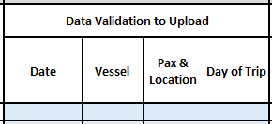

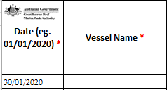
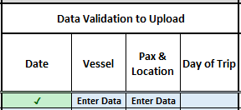
 | A complete logbook entry requires a date, a vessel, passenger numbers in any column D,E or F, a day of trip and a locitation
 | Once a date is entered the Vessel column will display Enter Data. The Pax & Location column will also display Enter Data.

 | Once a vessel is entered a Tick (✓) is displayed in the Vessel Data Validation column. The Pax & location field is displaying Enter Data. This is due to not yet having entered any passenger numbers or locations. | 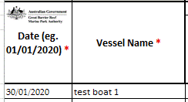 | 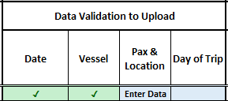

 | Once passenger numbers are entered (at least one entry in columns C, E or F), the Pax & Location column will display Enter Loc. The Enter Loc displayed in the Pax & Location column is due to a location needing to be entered in column G |  |  |  | 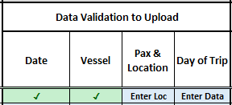

 | The Day of Trip now displays Enter Data. Once a number is entered in either columns C,E or F the Day Of Trip field is required to be completed.

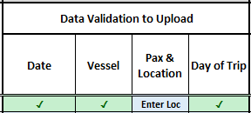
 | The Enter Loc displayed in the Pax & Location column is due to a location needing to be entered in column G
 | The Day of Trip field is now displaying a Tick (✓) as the data was entered in column D

 | Once a location is added the Pax & Location column displays a Tick (✓)

 | As a location was entered in column G the Column G corresponding cell has a tick, indicating the location is a valid location. (Further information on the Location Validation columns is below) |  |  |  |  | 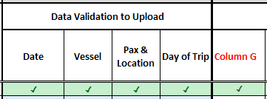

 | Location Data Validation columns

 | Columns Q to V are Location Validation columns. For each location column there is a corresponding validation column to ensure a location from within the location list has been selected. If a valid location is selected a Tick (✓) will appear in the corresponding Location Validation column. If the location was not entered correctly or is not an Authority location an (X) will appear. A Tick (✓) must be present in any of these cells where a location is entered for the spreadsheet to import correctly. If a cross (X) appears please review the corresponding location field to re enter the location. Eg. If there is an (X) in the column titled Column G, please check column G and review the location entered in this field.

 | When entering standard logbook data, if multiple locations were visited on the trip, up to 6 different locations can be included on the logbook entry. If more than 6 locations were visited for the trip, please only enter the first 6 locations.

 | The example below is of a trip with 3 different/unique locations visited. A location was enter in columns G, H and I. In the corresponding Location Validation columns they have a Tick (✓). This is to indicate the locations selected in these columns are correct.
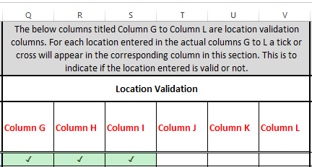

 | If a location does not match a location within the location list, an (X) will appear in the corresponding Location Validation column.
 | For the example below a location was entered in column L, the entered data 'Chloe' is not a valid location. An (X) is presented in the corresponding Location Validation column, Column H.
 | If an (X) is present, review the corresponding column and search for the location again.

Troubleshooting - Vehicle BB
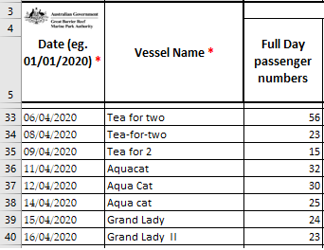
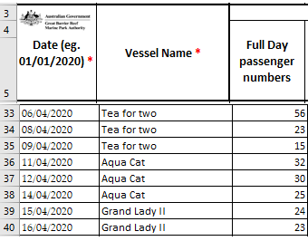
 |  | Troubleshooting – Vehicle Information
When downloading the spreadsheet from the portal for an operation which has a BIN, you should name the spreadsheet according to the operation, BIN number and EMC quarter. For example;
 | Bareboat: BIN999-EMC-Jan-Mar-2020
 | Bareboat: BIN999-EMC-Apr-June-2020
 | Bareboat: BIN999-EMC-Jul-Sep-2020

 | The name of the vessel used must be entered in column B of the Log Book data worksheet or the Vessel data validation column will display Enter Data

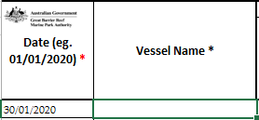
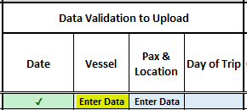

 | Once the vessel name is entered in column B of the Log Book data worksheet the Vessel data validation column will display a Tick (✓).

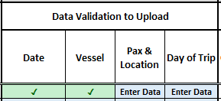

 | When using a BIN, the name of the vessel used should be entered in column B of the Log Book data worksheet for each date a trip is recorded.
 | e.g. BIN045 may have been used on 4 different vessels during a period
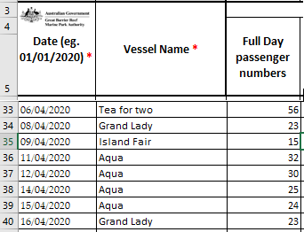

 | Vessel name should be entered as it would appear on the Vessel Notification Approval (VNA) attached to your permit or refer to EMC online – Vehicle favourites.
 | If the vehicle name is not correct the data will not upload to the portal.

Troubleshooting - Location BB
 | Troubleshooting - Location Search Field
If you search for a location and the details entered do not match, no results will be displayed. When the drop list down arrow is selected (indicated by the red circle) and no droplist is displayed this indicates the details entered are not matching any results in the location list. The example below is for when a search is conducted that is not a Marine Park Location or Mooring Location. For the example below Chloe is not in any of the location names, no results are displayed. The location search field can be edited, to fix any searches that are not displaying any results, re type the location or double check the location list tab to see if the location is presented there. Locations can also be copied from the Location List worksheet.

 |  | The list below is a screenshot of the location list names from Ch - Chv, Chloe is not within the list
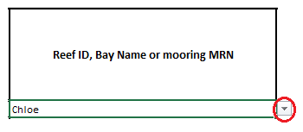
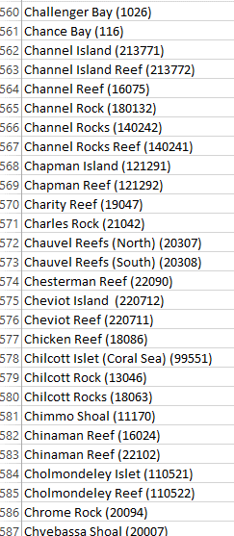

 | Resetting the location search field
#1 | To reset the location search field click on the cell and start typing your location name and select the drop down arrow for the search to start.
#2 | Another way to reset the location search field is to double click into any of the location cells. This will set the search back to a default setting. Then start typing your location name and select the drop down arrow for the search to start.

